1. Title Page
[Grocery Basket Analysis]
]

Project Name: Instacart Grocery Basket Analysis
Date: 07.05.2024
Analyst Name: Frederike Schulz-Müllensiefen

Contents:
Population Flow
Consistency checks
Wrangling steps
Column derivations
Visualizations
Recommendations

2. Population Flow
Title page

Population flow

Exclusion flag
Condition: max_order < 5
Obervations to be removed: 1440295 rows
Final total count of order_products_all: 30964564 rows

Orders_products_combined
Orders_products_merged
Orders_products_all

Total: 32434489 rows
Total: 32404859 rows
Total: 32404859 rows

1.) The grey boxes in the first row of the population flow represent the original data sets as they were when you downloaded them. In the Total fields you need to add the count of the rows when you imported the data set into Jupyter.
2.) The second row of boxes (coloured) represents the data sets after you manipulated them, e.g., removed missing values and duplicates. In the Total fields you need to add the count of the rows after conducting these operations. This offers a visual oveview of how the data flows throughout the data consistency checks.
3.) The third row, where also the arrows are coloured, represents the merges you performed between the datasets. In the Total fields you need to add the count of the rows in the merged datasets, so that you end up with the final dataset (in the red box). Keep in mind the final dataset should be without exclusions (based on the exclusion flag).

3. Consistency checks
 |  |  |  | Title page
Consistency checks

Dataset | Missing values | Missing values treatment | Duplicates
orders | days_since_prior_order': 206209 | Nan values are not actually missing data - all nan values represent orders from customers, who have ordered for the first time (hence, no prior orders exist). Therefore, Nan values remained as-is. (This was tested by checking if there are any order numbers > 1 for the rows with Nan values in the 'days_since_prior_order' column, but there were none.) | /
products | product_name': 16 | Missing values were removed by creating a new dataframe filtering out the missing values. There was no way of imputing values based on statistical methods (as this is string data) and there was no way of obtaining the data elsewhere, | 5 duplicates were found and removed by creating a new dataframe which dropped the duplicates.
orders_products_prior | / | / | /
customers | / | / | /

4. Wrangling steps
 |  |  |  |  | Title page
Wrangling steps

Columns dropped | Columns renamed | Columns' type changed | Columns transposed | Comment/Reason
orders.csv: 'eval_set' |  |  |  | Irrelevant to analysis
 | orders.csv: 'orders_dow' -> 'orders_day_of_week' |  |  | Enhance readability/understanding
 | orders.csv: 'order_hour_of_day' -> 'ordertime_hour_of_day' |  |  | Enhance readability/understanding
 |  | orders.csv: 'order_id': changed to string |  | Does not have numeric value
 |  | orders.csv: 'user_id': changed to string |  | Does not have numeric value
 |  |  | departments.csv: dataframe transposed into long view
 |  | order_products.pkl: 'user_id': changed to string |  | Does not have numeric value
customers.csv:'First_name' |  |  |  | Irrelevant to analysis and data privacy concerns
customers.csv:'Last_name' |  |  |  | Irrelevant to analysis and data privacy concerns
 | customers.csv: 'Gender' -> 'gender' |  |  | Enhance column consistency across datasets
 | customers.csv: 'STATE' -> 'state' |  |  | Enhance column consistency across datasets
 | customers.csv: 'Age' -> 'age' |  |  | Enhance column consistency across datasets
 |  | customers.csv: 'user_id': changed to string |  | Does not have numeric value

5. Column derivations
 |  |  |  | Title page

Column derivations and aggregations

In this tab you should add tables below that the frequences of flags/label variables that you produced after deriving them. NB: don't do this for continuous variables, only for flags.
Dataset | New column | Column/s it was derived from | Conditions
df_ords_prods_merge | Price_range | Prices | High range product: > $15 Mid range product: > $5 - <= $15 Low range product: <= $5
df_ords_prods_merge | Busiest_days | Orders_day_of_week | Busiest days: 0,1 Regular days: 6,2,5 Slowest days: 3,4
df_ords_prods_merge | Busiest_period_of_day | Ordertime_hour_of_day | Most orders: 10,11,14,15,13,12,16,9 Average orders: 17,8,18,19,20,7,21,22 Least orders: 23,6,0,1,5,2,4,3
df_ords_prods_merge | Max_order | User_id & Order_number | Groups user_id and aggregates data with max order number
df_ords_prods_merge | Loyalty_flag | Max_order | Loyal customer: >40 Regular customer: > 10 - <= 40 New customer: <= 10
df_ords_prods_merge | Average_price | User_id & Prices | Groups user_id and aggregates data with mean prices
df_ords_prods_merge | Spending_flag | Average_price | High spender: >= 10 Low spender: < 10
df_ords_prods_merge | Median_order_frequency | User_id & Days_since_prior_order | Groups user_id and aggregates data with median days since prior order
df_ords_prods_merge | Order_frequency_flag | Median_order_frequency | Frequent customer: <= 10 Regular customer: >10 - <=20 Non-frequent customer: >20
df_ordprodcust | Region | State | States were assigned to regions according to this link: https://simple.wikipedia.org/wiki/List_of_regions_of_the_United_States
df_ordprodcust | Exclusion_flag | Max_order | Exclusion: < 5 Inclusion: >=5
df_ordprodcust | Department_name | Department_id | 1 = 'frozen' 2 = 'other' 3 = 'bakery' 4 = 'produce' 5 = 'alcohol' 6 = 'international' 7 = 'beverages' 8 = 'pets' 9 = 'dry goods pasta' 10 = 'bulk' 11 = 'personal care' 12 = 'meat seafood' 13 = 'pantry' 14 = 'breakfast' 15 = 'canned goods' 16 = 'dairy eggs' 17 = 'household' 18 = 'babies' 19 = 'snacks' 20 = 'deli' 21 = 'missing'
df_ordprodcust_exclusion | Age_group | Age | senior adult: 60 years and older middle age adult: 40 - 59 years young adult: 20 - 39 years teenager: Under 20 years
df_ordprodcust_exclusion | Income_group | Income | low income: 30000$ or less lower-middle income: 30001$-58020$ middle income: 58021$ - 94000$ upper-middle income: 94001$ - 153000$ upper income: 153001$ or more
df_ordprodcust_exclusion | Children_flag | N_dependants | Children: >0 Childless: ==0

6. Visualizations & Analysis
 |  |  |  |  |  |  |  |  |  |  |  |  |  |  |  | Title page

Visualisations

In this tab you should include all the visualtions from Exercises 4.9 and 4.10, alongside the questions from the project brief that they answer. Include any commentary on the relationship between different variables.

1 | Question: What are the busiest days of the week and hours of the day (i.e., the days and times with the most orders) ?
 | Underlying Objective: Determine when to schedule ads (ads should be scheduled at times when there are fewer orders)

 | Bar Chart: Orders per day of week |  |  |  |  |  |  |  | Table: Frequency and Proportion of Orders per dow |  |  |  |  | Bar Chart: Orders per hour of day |  |  |  |  |  |  |  |  | Table: Frequency and Proportion of Orders per hod
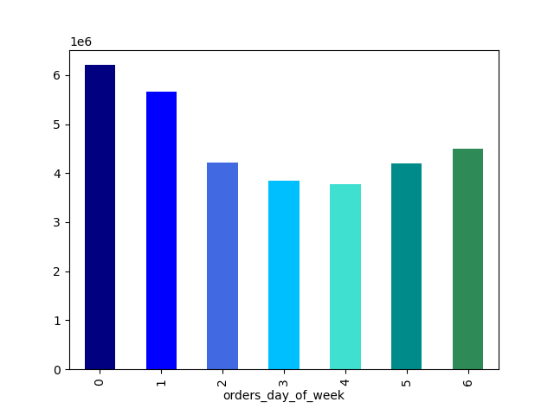

 |  |  |  |  |  |  |  |  | dow | frequency | percentage |  |  |  |  |  |  |  |  |  |  |  | HOD | frequency | percentage
 |  |  |  |  |  |  |  |  | 0 | 6204182 | 19% |  |  |  |  |  |  |  |  |  |  |  | 0 | 218769 | 1%
 |  |  |  |  |  |  |  |  | 1 | 5660230 | 17% |  |  |  |  |  |  |  |  |  |  |  | 1 | 115700 | 0%
 |  |  |  |  |  |  |  |  | 2 | 4213830 | 13% |  |  |  |  |  |  |  |  |  |  |  | 2 | 69375 | 0%
 |  |  |  |  |  |  |  |  | 3 | 3840534 | 12% |  |  |  |  |  |  |  |  |  |  |  | 3 | 51281 | 0%
 |  |  |  |  |  |  |  |  | 4 | 3783802 | 12% |  |  |  |  |  |  |  |  |  |  |  | 4 | 53242 | 0%
 |  |  |  |  |  |  |  |  | 5 | 4205791 | 13% |  |  |  |  |  |  |  |  |  |  |  | 5 | 87961 | 0%
 |  |  |  |  |  |  |  |  | 6 | 4496490 | 14% |  |  |  |  |  |  |  |  |  |  |  | 6 | 290493 | 1%
 |  |  |  |  |  |  |  |  | total | 32404859 | 100% |  |  |  |  |  |  |  |  |  |  |  | 7 | 891054 | 3%
 |  |  |  |  |  |  |  |  |  |  |  |  |  |  |  |  |  |  |  |  |  |  | 8 | 1718118 | 5%
 |  |  |  |  |  |  |  |  | Legend |  |  |  |  |  |  |  |  |  |  |  |  |  | 9 | 2454203 | 8%
 |  |  |  |  |  |  |  |  |  | Day |  |  |  |  |  |  |  |  |  |  |  |  | 10 | 2761760 | 9%
 |  |  |  |  |  |  |  |  | 0 | Saturday |  |  |  |  |  |  |  |  |  |  |  |  | 11 | 2736140 | 8%
 |  |  |  |  |  |  |  |  | 1 | Sunday |  |  |  |  |  |  |  |  |  |  |  |  | 12 | 2618532 | 8%
 |  |  |  |  |  |  |  |  | 2 | Monday |  |  |  |  |  |  |  |  |  |  |  |  | 13 | 2660954 | 8%
 |  |  |  |  |  |  |  |  | 3 | Tuesday |  |  |  |  |  |  |  |  |  |  |  |  | 14 | 2689136 | 8%
 |  |  |  |  |  |  |  |  | 4 | Wednesday |  |  |  |  |  |  |  |  |  |  |  |  | 15 | 2662144 | 8%
 |  |  |  |  |  |  |  |  | 5 | Thursday |  |  |  |  |  |  |  |  |  |  |  |  | 16 | 2535202 | 8%
 |  |  |  |  |  |  |  |  | 6 | Friday |  |  |  |  |  |  |  |  |  |  |  |  | 17 | 2087654 | 6%
 |  |  |  |  |  |  |  |  |  |  |  |  |  |  |  |  |  |  |  |  |  |  | 18 | 1636502 | 5%
 |  |  |  |  |  |  |  |  |  |  |  |  |  |  |  |  |  |  |  |  |  |  | 19 | 1258305 | 4%
 |  |  |  |  |  |  |  |  |  |  |  |  |  |  |  |  |  |  |  |  |  |  | 20 | 976156 | 3%
 |  |  |  |  |  |  |  |  |  |  |  |  |  |  |  |  |  |  |  |  |  |  | 21 | 795637 | 2%
 |  |  |  |  |  |  |  |  |  |  |  |  |  |  |  |  |  |  |  |  |  |  | 22 | 634225 | 2%
 |  |  |  |  |  |  |  |  |  |  |  |  |  |  |  |  |  |  |  |  |  |  | 23 | 402316 | 1%
 | The busiest days for Instacart are Saturday and Sunday, which make up 36% of all orders. The busiest hours are from 9 am to 4pm, during which 65% of all orders occur. |  |  |  |  |  |  |  |  |  |  |  |  |  |  |  |  |  |  |  |  |  | total | 32404859 | 100%

2 | Question: Are there are particular times of the day when people spend the most money?
 | Underlying Objective: Determine the type of products they advertise at these times

 | Line chart: Prices per day of the week |  |  |  |  |  |  |  |  |  |  |  | Line Chart: Prices per hour of day
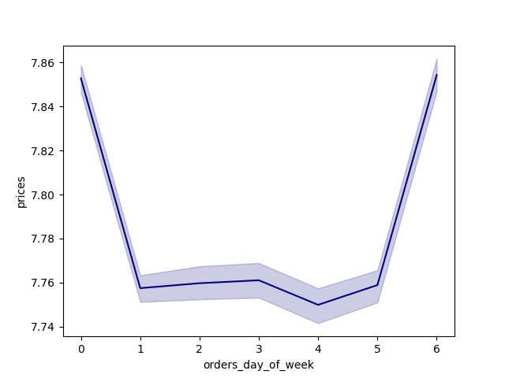
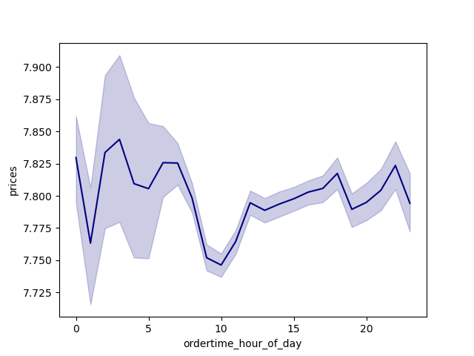

 |  |  |  |  |  |  |  |  | Legend
 |  |  |  |  |  |  |  |  |  | Day
 |  |  |  |  |  |  |  |  | 0 | Saturday
 |  |  |  |  |  |  |  |  | 1 | Sunday
 |  |  |  |  |  |  |  |  | 2 | Monday
 |  |  |  |  |  |  |  |  | 3 | Tuesday
 |  |  |  |  |  |  |  |  | 4 | Wednesday
 |  |  |  |  |  |  |  |  | 5 | Thursday
 |  |  |  |  |  |  |  |  | 6 | Friday

 | The days where people spend most money are Friday and Saturday. The time where people spend most money varies, but there seem to be highpoints are around 8am and 10pm, and low points at around 1am and 10 am.

3 | Question: How can all products with many different price tags be grouped into simpler price ranges?
 | Underlying Objective: Help Marketing & sales direct their offers with price range groupings

 | Histrogram: Price frequency |  |  |  |  |  |  |  |  | Bar chart: Price groupings |  |  |  |  |  |  |  | Table: Frequency and Proportion of product ranges
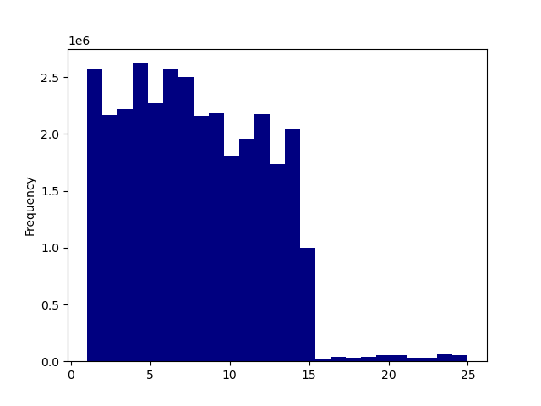
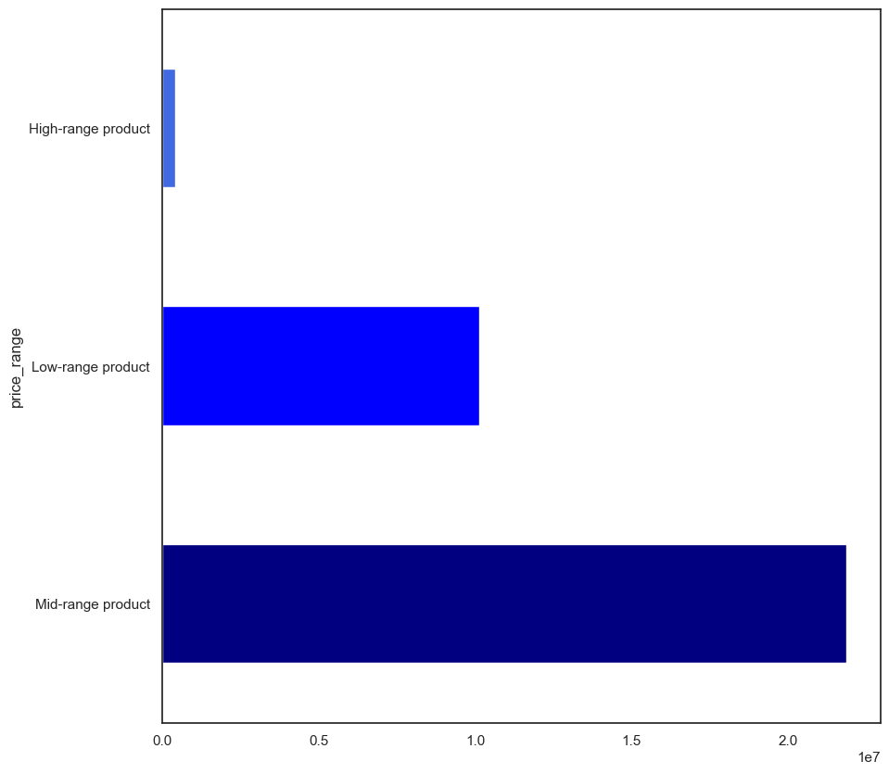
 |  |  |  |  |  |  |  |  |  |  |  |  |  |  |  |  |  | Price range |  | Frequency | Percentage
 |  |  |  |  |  |  |  |  |  |  |  |  |  |  |  |  |  | High-range prodcut |  | 417678 | 1%
 |  |  |  |  |  |  |  |  |  |  |  |  |  |  |  |  |  | Mid-range product |  | 21860860 | 67%
 |  |  |  |  |  |  |  |  |  |  |  |  |  |  |  |  |  | Low-range product |  | 10126321 | 31%
 |  |  |  |  |  |  |  |  |  |  |  |  |  |  |  |  |  | Total |  | 32404859 | 100%

 |  |  |  |  |  |  |  |  |  |  |  |  |  |  |  |  |  | Legend
 |  |  |  |  |  |  |  |  |  |  |  |  |  |  |  |  |  |  |  | Price range
 |  |  |  |  |  |  |  |  |  |  |  |  |  |  |  |  |  | High-range product |  | More than 15$
 |  |  |  |  |  |  |  |  |  |  |  |  |  |  |  |  |  | Mid-range product |  | More than 5$ and equal to or less than 15$
 |  |  |  |  |  |  |  |  |  |  |  |  |  |  |  |  |  | Low-range product |  | 5$ or less

 | The large majority of products fall within the price range of 1-15$. Products can be grouped into high-range products (which make up 1% of products), mid-range products (which make up 67% of products, and low-range products (which make up 31% of products).

4 | Question: Are there certain types of products that are more popular than others?
 | Underlying Objective: Help Marketing & sales understand which departments have the highest frequency of product orders

 | Bar chart: Order frequency per department |  |  |  |  |  |  |  |  |  |  | Bar chart: Top 10 Products
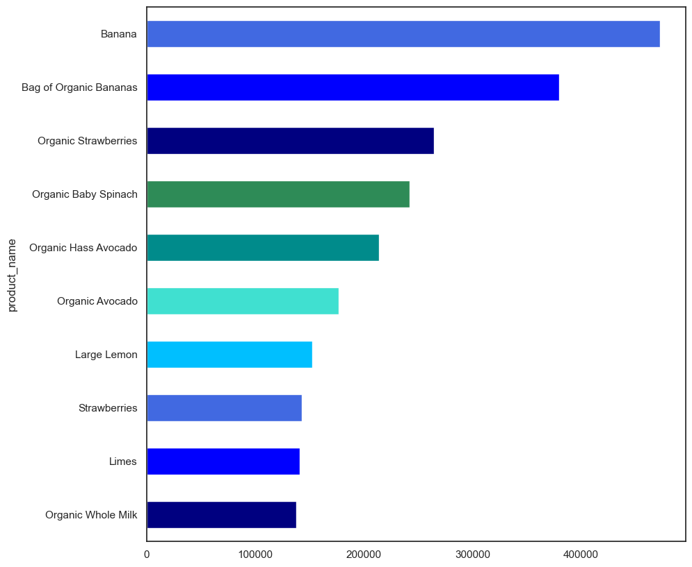
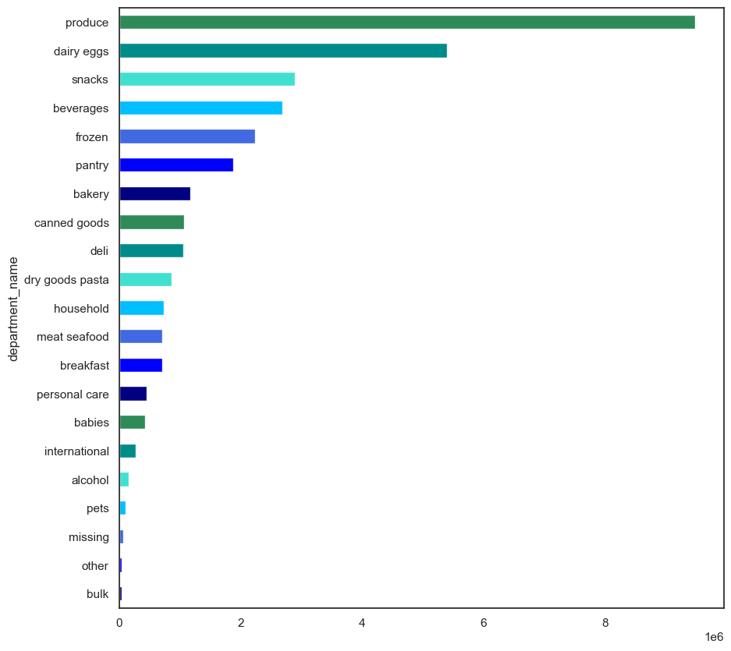

 | The most popular products are from the produce and dairy eggs departments. More specifically, the most popular product are fruit and vegetables, with bananas being the most popular product.

5 | Question: What are the different type of customers and how does their ordering behavior differ?
 | Underlying Objective: Help Marketing & sales understand their customers

5.1 | Question: What’s the distribution among users in regards to their brand loyalty (i.e., how often do they return to Instacart)?
 | Underlying Objective: Help Marketing & sales understand their customers

 | Pie chart: Proportions of Customer Loyalty Groups |  |  |  |  |  |  |  |  |  | Table: Number and Proportions of Customer Loyalty Groups
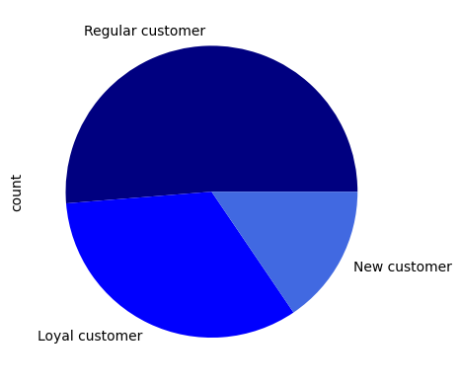
 |  |  |  |  |  |  |  |  |  |  | Loyalty Group |  | Frequency | Percentage
 |  |  |  |  |  |  |  |  |  |  | Regular customer |  | 15876776 | 51%
 |  |  |  |  |  |  |  |  |  |  | Loyal customer |  | 10284093 | 33%
 |  |  |  |  |  |  |  |  |  |  | New customer |  | 4803695 | 16%
 |  |  |  |  |  |  |  |  |  |  | Total |  | 30964564 | 100%

 |  |  |  |  |  |  |  |  |  |  | Legend
 |  |  |  |  |  |  |  |  |  |  |  |  | Max Order
 |  |  |  |  |  |  |  |  |  |  | Regular customer |  | >10 and <=40 orders
 |  |  |  |  |  |  |  |  |  |  | Loyal customer |  | > 40 orders
 |  |  |  |  |  |  |  |  |  |  | New customer |  | <= 10 orders

 | Regular customer make up the biggest proportion of customer orders (51%), followed by loyal customers (33%) and finally new customers (16%). Hence, most customers have ordered at Instacart 11-40 times.

5.2 | Question: Are there differences in ordering habits based on a customer’s loyalty status?
 | Underlying Objective: Help Marketing & sales understand their customers

 | Grouped bar chart: Loyalty groups order count per day of the week |  |  |  |  |  |  |  |  |  |  |  |  | Grouped bar chart: Loyalty groups order count per hour of the day
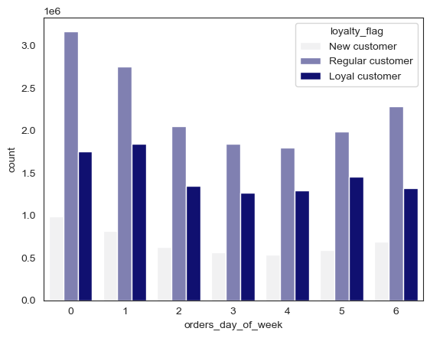
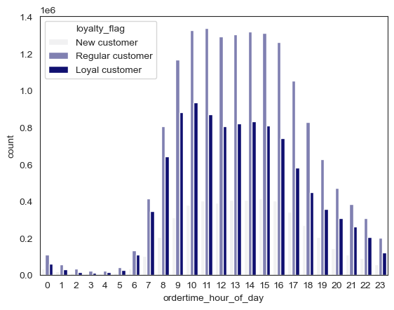
 |  |  |  |  |  |  |  |  |  | Legend
 |  |  |  |  |  |  |  |  |  |  | Day
 |  |  |  |  |  |  |  |  |  | 0 | Saturday
 |  |  |  |  |  |  |  |  |  | 1 | Sunday
 |  |  |  |  |  |  |  |  |  | 2 | Monday
 |  |  |  |  |  |  |  |  |  | 3 | Tuesday
 |  |  |  |  |  |  |  |  |  | 4 | Wednesday
 |  |  |  |  |  |  |  |  |  | 5 | Thursday
 |  |  |  |  |  |  |  |  |  | 6 | Friday

 | There does not seem to be a difference in ordering behaviour between the different customer loyalty groups. As the charts display a very similar slope. Hence, the different customer groups order most frequently at the same days of the week and time of the day

5.3 | Question: Are there differences in ordering habits based on a customer’s region?
 | Underlying Objective: Help Marketing & sales understand their customers

 | Pie chart: Proportion of regions among customers |  |  |  |  |  |  | Table: Number and Proportions of Regions |  |  |  |  | Bar Chart: Orders per day of the week and per region |  |  |  |  |  |  |  |  |  |  |  | Bar Chart: Orders per hour of the day and per region |  | Bar Chart: Orders per region and per customer loyalty group
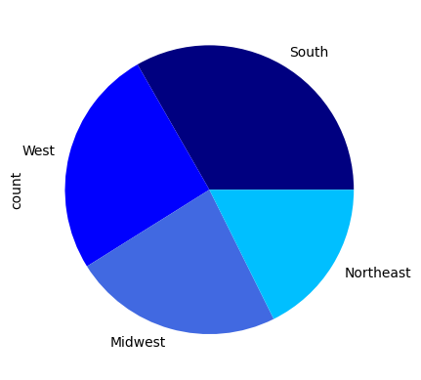
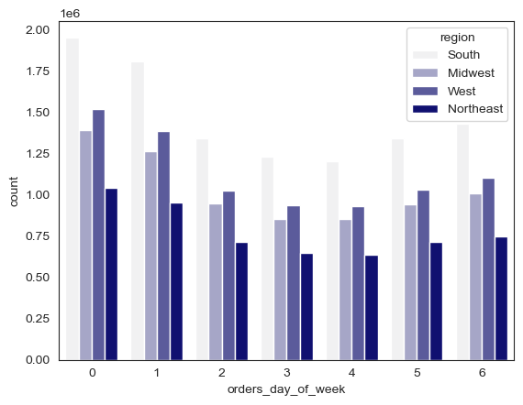
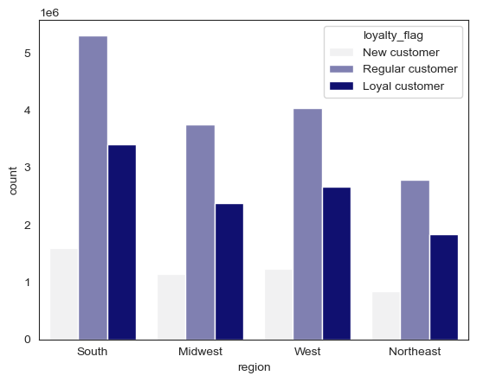
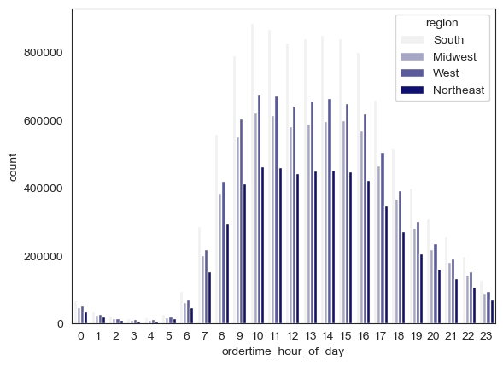
 |  |  |  |  |  |  |  | Region | Frequency | Percentage
 |  |  |  |  |  |  |  | South | 10311139 | 33% |  |  |  |  |  |  |  |  |  |  | Legend
 |  |  |  |  |  |  |  | West | 7927227 | 26% |  |  |  |  |  |  |  |  |  |  |  | Day
 |  |  |  |  |  |  |  | Midwest | 7261513 | 23% |  |  |  |  |  |  |  |  |  |  | 0 | Saturday
 |  |  |  |  |  |  |  | Northeast | 5464685 | 18% |  |  |  |  |  |  |  |  |  |  | 1 | Sunday
 |  |  |  |  |  |  |  | Total | 30964564 | 100% |  |  |  |  |  |  |  |  |  |  | 2 | Monday
 |  |  |  |  |  |  |  |  |  |  |  |  |  |  |  |  |  |  |  |  | 3 | Tuesday
 |  |  |  |  |  |  |  |  |  |  |  |  |  |  |  |  |  |  |  |  | 4 | Wednesday
 |  |  |  |  |  |  |  |  |  |  |  |  |  |  |  |  |  |  |  |  | 5 | Thursday
 |  |  |  |  |  |  |  |  |  |  |  |  |  |  |  |  |  |  |  |  | 6 | Friday

 | The South of the US makes up the largest region in terms of orders (33%), followed by the West (26%), the Midwest (23%), and finally the Northeast (18%). In terms of order time (day of the week and time during the day), there does not seem to be a difference in ordering behavior between the regions, as they all follow a similar slope.
 | Similarly, the proportions of the customer loyalty groups seem to be very similar across the regions.

5.4 | Question: Is there a connection between age and family status in terms of ordering habits?
 | Underlying Objective: Help Marketing & sales understand their customers

 | Age
 |  |  |  |  |  |  |  |  |  |  |  |  |  |  |  |  |  |  |  |  |  |  |  |  |  |  | Bar chart: Orders per age groups and loyalty group
 | Pie chart: Proportion of age groups among customers |  |  |  |  |  |  |  |  | Table: Number and Proportions of age groupos |  |  |  |  | Bar chart: Orders per day of the week and age groups |  |  |  |  |  |  |  |  | Bar chart: Orders per hour of the day and age groups
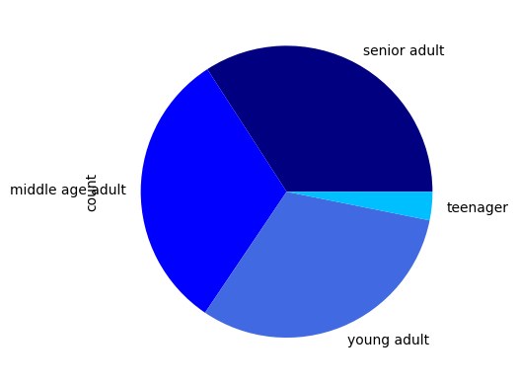
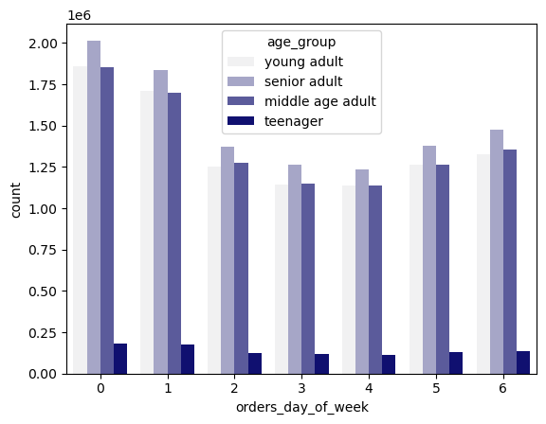
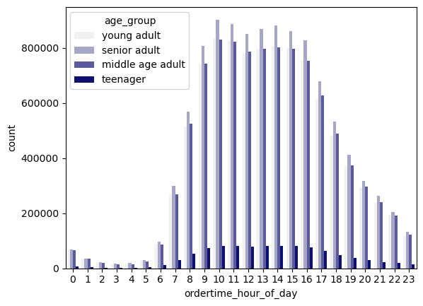
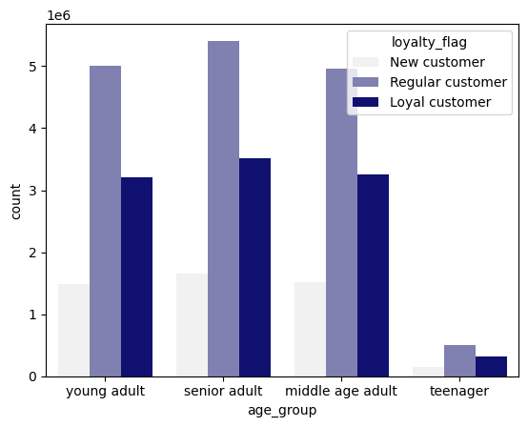
 |  |  |  |  |  |  |  |  |  | Age Group |  | frequency | percentage
 |  |  |  |  |  |  |  |  |  | senior adult |  | 10574504 | 34%
 |  |  |  |  |  |  |  |  |  | middle age adult |  | 9724950 | 31%
 |  |  |  |  |  |  |  |  |  | young adult |  | 9690576 | 31%
 |  |  |  |  |  |  |  |  |  | teenager |  | 974534 | 3%
 |  |  |  |  |  |  |  |  |  | total |  | 30964564 | 100%

 |  |  |  |  |  |  |  |  |  | Legend
 |  |  |  |  |  |  |  |  |  |  |  | Age
 |  |  |  |  |  |  |  |  |  | senior adult |  | 60 years and older
 |  |  |  |  |  |  |  |  |  | middle age adult |  | 40 - 59 years
 |  |  |  |  |  |  |  |  |  | young adult |  | 20 - 39 years
 |  |  |  |  |  |  |  |  |  | teenager |  | Under 20 years

 | Senior adults make most orders (34%), followed by middle age and young adults( 31%), and finally teenagers (3%). In terms of order time (day of the week and time during the day), there does not seem to be a difference in ordering behavior between the age groups, as they all follow a similar slope.
 | Similarly, the proportions of the customer loyalty groups seem to be very similar across the age groups.

 | Family Status

 | Pie chart: Proportion of family status among customers |  |  |  |  |  |  |  |  |  | Table: Number and Proportions of family status |  |  |  |  |  |  | Bar Chart: Orders per day of the week and family status |  |  |  |  |  |  |  | Bar Chart: Orders per day of the week and family status |  |  | Bar chart: Orders per family status and loyalty group
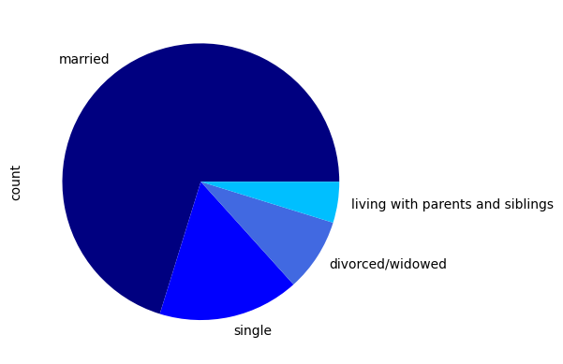
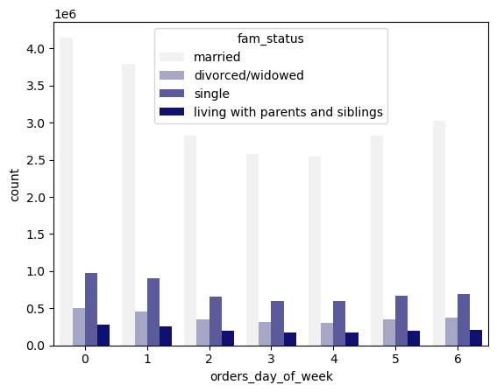
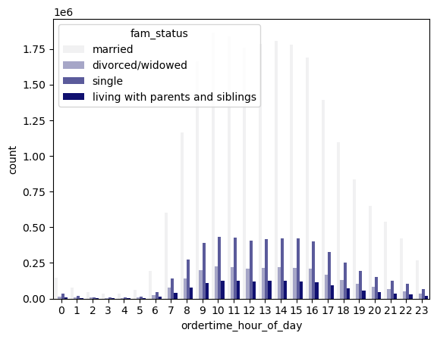
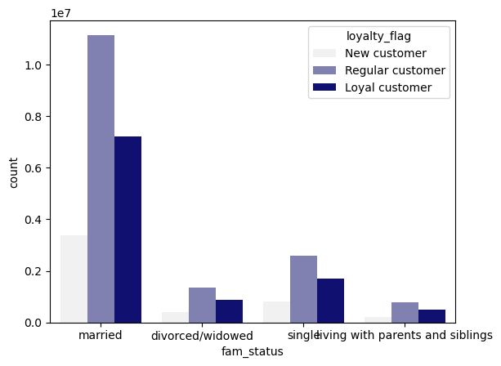
 |  |  |  |  |  |  |  |  |  |  | fam_status |  |  | frequency | percentage
 |  |  |  |  |  |  |  |  |  |  | married |  |  | 21743711 | 70%
 |  |  |  |  |  |  |  |  |  |  | single |  |  | 5094410 | 16%
 |  |  |  |  |  |  |  |  |  |  | divorced/widowed |  |  | 2645271 | 9%
 |  |  |  |  |  |  |  |  |  |  | living with parents and siblings |  |  | 1481172 | 5%
 |  |  |  |  |  |  |  |  |  |  | Total |  |  | 30964564 | 100%

 | Pie chart: Proportion of children status among customers |  |  |  |  |  |  |  |  |  | Table: Number and Proportions of children status |  |  |  |  |  |  | Bar Chart: Orders per day of the week and children status |  |  |  |  |  |  |  | Bar Chart: Orders per day of the week and children status |  |  | Bar chart: Orders per children status and loyalty group |  |  |  | Line Chart: Relationship between age and number of dependants
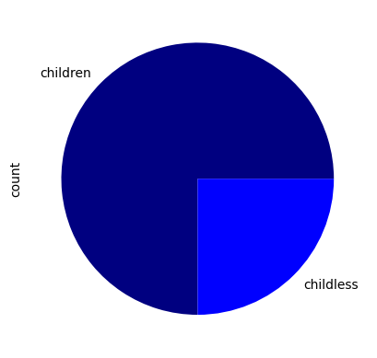
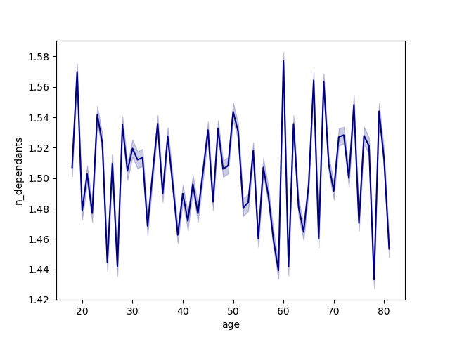
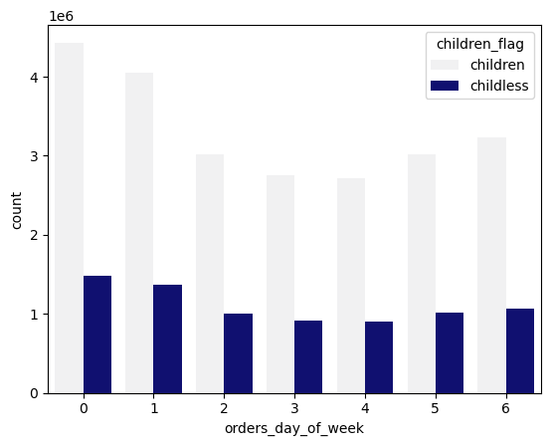
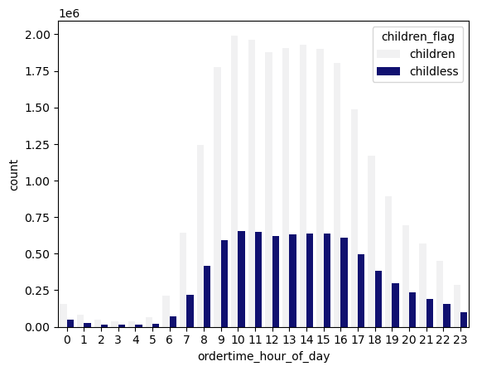
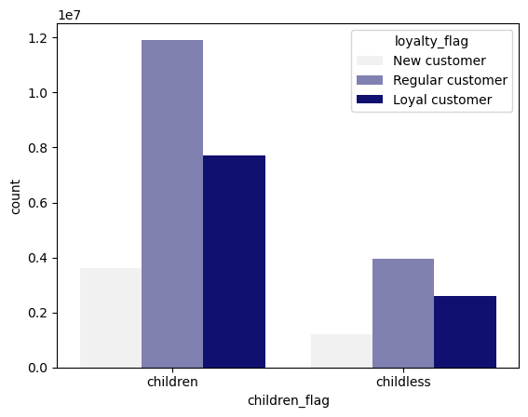
 |  |  |  |  |  |  |  |  |  |  | children_flag |  | frequency | percentage
 |  |  |  |  |  |  |  |  |  |  | children |  | 23224883 | 75%
 |  |  |  |  |  |  |  |  |  |  | childless |  | 7739681 | 25%
 |  |  |  |  |  |  |  |  |  |  | total |  | 30964564 | 100%

 | The large majority of orders come from customers who are married (70%) and from customers who have one or more children (75%). In terms of order time (day of the week and time during the day), there does not seem to be a difference in ordering behavior between the customers with a different family status, as they all follow a similar slope.
 | Similarly, the proportions of the customer loyalty groups seem to be very similar across the different family statuses. There is no relationshop between age and number of dependants

5.5 | Question: What different classifications does the demographic information suggest? Age? Income? Certain types of goods? Family status?
 | Underlying Objective: Help Marketing & sales understand their customers

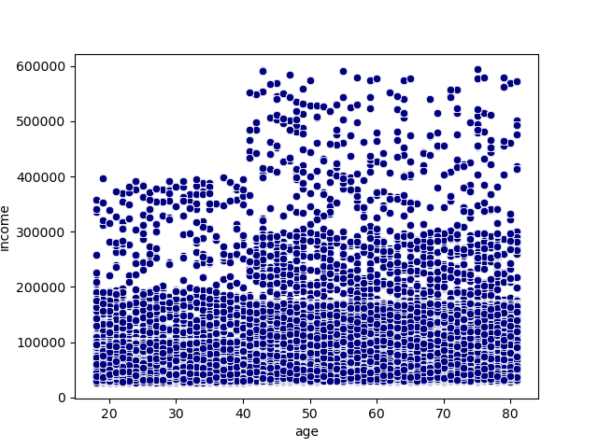
 | Pie chart: Proportions of income groups
 |  |  |  |  |  |  |  |  |  |  | Table: Number and percentage of income groups |  |  |  |  | Bar chart: Orders per day of week and income group |  |  |  |  |  |  |  |  | Bar chart: Orders per day of week and income group |  | Table: Descriptive statistics income per loyalty customer group |  |  |  |  | Scatter plot: Relationship between income and age
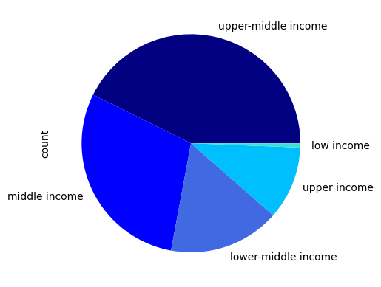
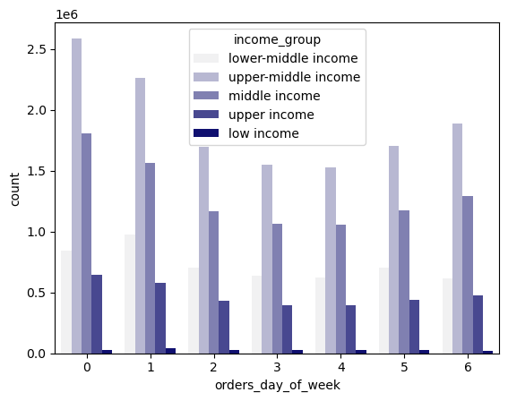
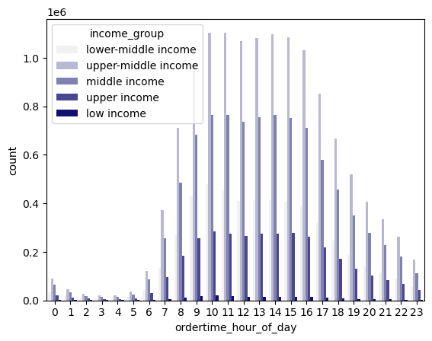
 |  |  |  |  |  |  |  |  |  |  | income_group |  | frequency | percentage
 |  |  |  |  |  |  |  |  |  |  | upper-middle income |  | 13206444 | 43% |  |  |  |  |  |  |  |  |  |  |  |  |  | income
 |  |  |  |  |  |  |  |  |  |  | middle income |  | 9109710 | 29% |  |  |  |  |  |  |  |  |  |  |  |  |  | mean | median | min | max
 |  |  |  |  |  |  |  |  |  |  | lower-middle income |  | 5092881 | 16% |  |  |  |  |  |  |  |  |  |  |  |  | Loyal customer | 100354.61559 | 96940 | 25955 | 593901
 |  |  |  |  |  |  |  |  |  |  | upper income |  | 3361397 | 11% |  |  |  |  |  |  |  |  |  |  |  |  | New customer | 97419.249228 | 95743 | 25903 | 590790
 |  |  |  |  |  |  |  |  |  |  | low income |  | 194132 | 1% |  |  |  |  |  |  |  |  |  |  |  |  | Regular customer | 99918.97248 | 96943 | 25972 | 592409
 |  |  |  |  |  |  |  |  |  |  | total |  | 30964564 | 100%

 |  |  |  |  |  |  |  |  |  |  | Legend
 |  |  |  |  |  |  |  |  |  |  |  |  | Income
 |  |  |  |  |  |  |  |  |  |  | low income |  | 30000$ or less
 |  |  |  |  |  |  |  |  |  |  | lower-middle income |  | 30001$-58020$
 |  |  |  |  |  |  |  |  |  |  | middle income |  | 58021$ - 94000$
 |  |  |  |  |  |  |  |  |  |  | upper-middle income |  | 94001$ - 153000$
 |  |  |  |  |  |  |  |  |  |  | upper income |  | 153001$ or more

 | Customers with upper-middle income make up the biggest proprtion of orders. In terms of order time (day of the week and time during the day), there does not seem to be a difference in ordering behavior between the customers with different incomes, as they all follow a similar slope.
 | While there are no large differences, the mean and max income of loyal customers seems to be a bit higher compared to the other loyalty customer groups. People aged 40 years onwards, seem to have higher incomes than people below 40 years old.

5.6 | Question: What differences can you find in ordering habits of different customer profiles?
 | Underlying Objective: Help Marketing & sales understand their customers

 | Table: Spender groups per region |  |  |  |  |  |  |  |  |  |  |  | Table: Spender groups per age group
 | Region | High spender |  | Low spender |  | Total |  | % High Spender |  | % Low spender |  |  | Age Group |  | High spender |  | Low spender |  | Total |  | % High Spender |  | % Low spender
 | Midwest | 29265 |  | 7568060 |  | 7597325 |  | 0.39% |  | 99.61% |  |  | Middle age adult |  | 32668 |  | 9692282 |  | 9724950 |  | 0.34% |  | 99.66%
 | Northeast | 18642 |  | 5704094 |  | 5722736 |  | 0.33% |  | 99.67% |  |  | Senior adult |  | 33660 |  | 10540844 |  | 10574504 |  | 0.32% |  | 99.68%
 | South | 40579 |  | 10751306 |  | 10791885 |  | 0.38% |  | 99.62% |  |  | Teenager |  | 3367 |  | 971167 |  | 974534 |  | 0.35% |  | 99.65%
 | West | 31242 |  | 8261671 |  | 8292913 |  | 0.38% |  | 99.62% |  |  | Young Adult |  | 27748 |  | 9662828 |  | 9690576 |  | 0.29% |  | 99.71%

 | Table: Spender groups per child status group |  |  |  |  |  |  |  |  |  |  |  | Table: Spender groups per family status
 | Child status | High spender |  | Low spender |  | Total |  | % High Spender |  | % Low spender |  |  | Family Status |  | High spender |  | Low spender |  | Total |  | % High Spender |  | % Low spender
 | childless | 27571 |  | 7712110 |  | 7739681 |  | 0.36% |  | 99.64% |  |  | Divorced/widowed |  | 8444 |  | 2636827 |  | 2645271 |  | 0.32% |  | 99.68%
 | children | 69872 |  | 23155011 |  | 23224883 |  | 0.30% |  | 99.70% |  |  | Living with parents/sibling |  | 4666 |  | 1476506 |  | 1481172 |  | 0.32% |  | 99.68%
 |  |  |  |  |  |  |  |  |  |  |  |  | Married |  | 65206 |  | 21678505 |  | 21743711 |  | 0.30% |  | 99.70%
 |  |  |  |  |  |  |  |  |  |  |  |  | Single |  | 19127 |  | 5075283 |  | 5094410 |  | 0.38% |  | 99.62%

 | Table: Spender groups per income group
 | Income group |  | High spender |  | Low spender |  | Total |  | % High Spender |  | % Low spender
 | Low |  | 0 |  | 194132 |  | 194132 |  | 0.00% |  | 100.00%
 | Lower-middle |  | 7429 |  | 5085452 |  | 5092881 |  | 0.15% |  | 99.85%
 | Middle |  | 31803 |  | 9077907 |  | 9109710 |  | 0.35% |  | 99.65%
 | Upper-middle |  | 44415 |  | 13162029 |  | 13206444 |  | 0.34% |  | 99.66%
 | Upper |  | 13796 |  | 3347601 |  | 3361397 |  | 0.41% |  | 99.59%

 | Apart from the analysis in the sections above, the different customer profiles were checked against spender groups. In general, there are no big differences between the different profiles and their impact on spending.
 | However, there is a small trend for income: The larger the income, the higher the proportion of high spenders. But there are only small differences and further statistical tests would need to be performed to confirm

7. Recommendations
 |  |  |  |  | Title page

Recommendations

In this tab you should include any recommendations you would made to Instcart in terms of their marketing strategy based on the questions posed in the brief. Every key question has been covered in the Tasks of the Exercises - here you need to add an item - a visualisation or table/crosstable that is showing the answer in the data, acompanied by a comment from you. Please, list the questions below and add the answer underneath.

Question |  | Answer
1 | The sales team needs to know what the busiest days of the week and hours of the day are (i.e., the days and times with the most orders) in order to schedule ads at times when there are fewer orders. | As can be seen in the visualizations on the right, he busiest days for Instacart are Saturday and Sunday, which make up 36% of all orders. The busiest hours are from 9 am to 4pm, during which 65% of all orders occur. Please see further info in visualization & analysis tab. Recommendation: Schedule ads between 5pm - 8am.

Question |  | Answer
2 | They also want to know whether there are particular times of the day when people spend the most money, as this might inform the type of products they advertise at these times. | The days where people spend most money are Friday and Saturday. The time where people spend most money varies, but there seem to be highpoints are around 8am and 10pm, and low points at around 1am and 10 am. Recommendation: Schedule ads for high price products on Friday and Saturday at around 8 am and 10pm.

Question |  | Answer
3 | Instacart has a lot of products with different price tags. Marketing and sales want to use simpler price range groupings to help direct their efforts. | The large majority of products fall within the price range of 1-15$. Products can be grouped into high-range products (which make up 1% of products), mid-range products (which make up 67% of products, and low-range products (which make up 31% of products). Please see further info in visualization & analysis tab. Recommendation: Use new price range groupings for products for marketing and sales efforts
 |  |  |  | Price range
 |  |  | High-range product | More than 15$
 |  |  | Mid-range product | More than 5$ and equal to or less than 15$
 |  |  | Low-range product | 5$ or less

Question |  | Answer
4 | Are there certain types of products that are more popular than others? The marketing and sales teams want to know which departments have the highest frequency of product orders. | The most popular products are from the produce and dairy eggs departments. More specifically, the most popular product are fruit and vegetables, with bananas being the most popular product. Recommendation: Use most popular products and departments for advertising.

Question |  | Answer
5 | The marketing and sales teams are particularly interested in the different types of customers in their system and how their ordering behaviors differ. For example: ○ What’s the distribution among users in regards to their brand loyalty (i.e., how often do they return to Instacart)? ○ Are there differences in ordering habits based on a customer’s loyalty status? | Regular customer make up the biggest proportion of customer orders (51%), followed by loyal customers (33%) and finally new customers (16%). Hence, most customers have ordered at Instacart 11-40 times. There does not seem to be a difference in ordering behaviour between the different customer loyalty groups. For instance, the different customer groups order most frequently at the same days of the week and time of the day. Please see further info in visualization & analysis tab. Recommendation: Marketing and sales does not need to differentiate the ordering behaviour between the different loyalty customer groups. |  |  |  | Loyalty Group |  | Frequency | Percentage
 |  |  |  |  |  | Regular customer |  | 15876776 | 51%
 |  |  |  |  |  | Loyal customer |  | 10284093 | 33%
 |  |  |  |  |  | New customer |  | 4803695 | 16%
 |  |  |  |  |  | Total |  | 30964564 | 100%

 |  |  |  |  |  |  |  | Max Order
 |  |  |  |  |  | Regular customer |  | >10 and <=40 orders
 |  |  |  |  |  | Loyal customer |  | > 40 orders
 |  |  |  |  |  | New customer |  | <= 10 orders

Question |  | Answer
6 | Are there differences in ordering habits based on a customer’s region? | The South of the US makes up the largest region in terms of orders (33%), followed by the West (26%), the Midwest (23%), and finally the Northeast (18%). In terms of order time (day of the week and time during the day), there does not seem to be a difference in ordering behavior between the regions, as they all follow a similar slope. Please see further info in visualization & analysis tab. Recommendation: Marketing and sales does not need to differentiate the ordering behaviour between the different regions. Marketing and sales could look into overall population in these states and check the penetration rate in order to see user rate per region and further drive sales in the regions. |  |  |  | Region | Frequency | Percentage
 |  |  |  |  |  | South | 10311139 | 33%
 |  |  |  |  |  | West | 7927227 | 26%
 |  |  |  |  |  | Midwest | 7261513 | 23%
 |  |  |  |  |  | Northeast | 5464685 | 18%
 |  |  |  |  |  | Total | 30964564 | 100%

Question |  | Answer
7 | Is there a connection between age and family status in terms of ordering habits? | Senior adults make most orders (34%), followed by middle age and young adults( 31%), and finally teenagers (3%).The large majority of orders come from customers who are married (70%) and from customers who have one or more children (75%). In terms of order time (day of the week and time during the day), there does not seem to be a difference in ordering behavior between the customers with a different family status or age, as they all follow a similar slope. Recommendation: Marketing and sales does not need to differentiate the ordering behaviour between the different age groups and family statuses. Instacart seems to be especially attractive to people who are married and have children, so further research should be made into these groups to match their interests in advertising efforts. |  |  |  |  |  |  |  |  | Age Group | frequency | percentage | fam_status |  | frequency | percentage
 |  |  |  |  |  |  |  |  |  |  | senior adult | 10574504 | 34% | married |  | 21743711 | 70%
 |  |  |  |  |  |  |  |  |  |  | middle age adult | 9724950 | 31% | single |  | 5094410 | 16%
 |  |  |  |  |  |  |  |  |  |  | young adult | 9690576 | 31% | divorced/widowed |  | 2645271 | 9%
 |  |  |  |  |  |  |  |  |  |  | teenager | 974534 | 3% | living with parents and siblings |  | 1481172 | 5%
 |  |  |  |  |  |  |  |  |  |  | total | 30964564 | 100% | Total |  | 30964564 | 100%

 |  |  |  |  |  |  |  |  |  |  |  | Age |  | children_flag | frequency | percentage
 |  |  |  |  |  |  |  |  |  |  | senior adult | 60 years and older |  | children | 23224883 | 75%
 |  |  |  |  |  |  |  |  |  |  | middle age adult | 40 - 59 years |  | childless | 7739681 | 25%
 |  |  |  |  |  |  |  |  |  |  | young adult | 20 - 39 years |  | total | 30964564 | 100%
 |  |  |  |  |  |  |  |  |  |  | teenager | Under 20 years

Question |  | Answer
8 | What different classifications does the demographic information suggest? Age? Income? Certain types of goods? Family status? | Customers with upper-middle income and upper income make up the biggest proprtion of orders. In terms of order time (day of the week and time during the day), there does not seem to be a difference in ordering behavior between the customers with different incomes, as they all follow a similar slope. While there are no large differences, the mean and max income of loyal customers seems to be a bit higher compared to the other loyalty customer groups. People aged 40 years onwards, seem to have higher incomes than people below 40 years old. Recommendation: Marketing and sales does not need to differentiate the ordering behaviour between the different income groups. Instacart seems to be especially attractive to people who have high incomes, so further research should be made into these groups to match their interests in advertising efforts.

Question |  | Answer
9 | What differences can you find in ordering habits of different customer profiles? Consider the price of orders, the frequency of orders, the products customers are ordering, and anything else you can think of. | Apart from the analysis in the sections above, the different customer profiles were checked against spender groups. In general, there are no big differences between the different profiles and their impact on spending. However, there is a small trend for income: The larger the income, the higher the proportion of high spenders. But there are only small differences and further statistical tests would need to be performed to confirm Recommendation: The higher income customer segment may be especially appealing for Instacart as their percentage of high spending seems to. be a little bit larger than the other income groups. | Table: Spender groups per income group
 |  |  | Income group | High spender | Low spender | Total |  | % High Spender |  | % Low spender
 |  |  | Low | 0 | 194132 | 194132 |  | 0.00% |  | 100.00%
 |  |  | Lower-middle | 7429 | 5085452 | 5092881 |  | 0.15% |  | 99.85%
 |  |  | Middle | 31803 | 9077907 | 9109710 |  | 0.35% |  | 99.65%
 |  |  | Upper-middle | 44415 | 13162029 | 13206444 |  | 0.34% |  | 99.66%
 |  |  | Upper | 13796 | 3347601 | 3361397 |  | 0.41% |  | 99.59%

